Sheet1
Datepicker using Selenium WebDriver

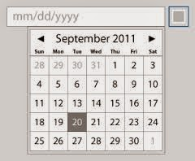

In This Program :

Navigating to http://jqueryui.com/datepicker/

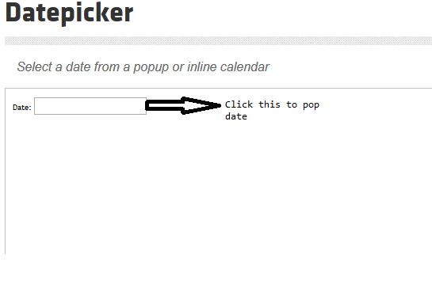

Clicking on TextBox By ID driver.findElement(By.id("datepicker")).click();

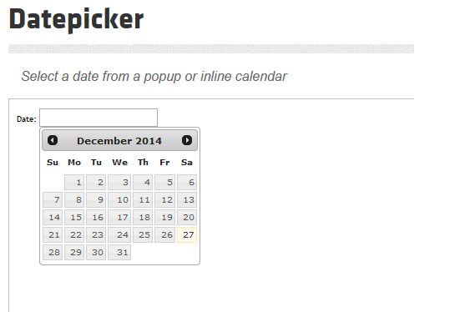

Click on next so that we will be in next month

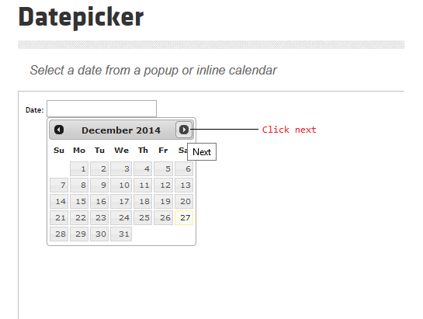

Date Widget is a table so we taking the td and tr store it in List

WebElement datewidget=driver.findElement(By.id("ui-datepicker-div"));

List<WebElement> rows=datewidget.findElements(By.tagName("tr"));
List<WebElement> columns=datewidget.findElements(By.tagName("td"));

Loop the Column and get the date

for(WebElement cell : columns) {

if(cell.getText().equals("23"){
cell.findElement(By.linkText("23")).click();
break;
}}

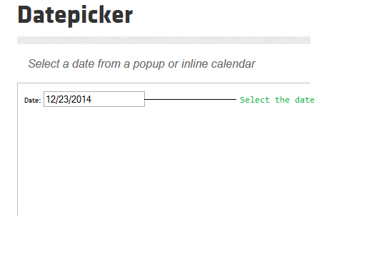

Source code :

import java.util.List;
import java.util.concurrent.TimeUnit;
import org.openqa.selenium.By;
import org.openqa.selenium.WebDriver;
import org.openqa.selenium.WebElement;
import org.openqa.selenium.firefox.FirefoxDriver;
import org.testng.annotations.AfterTest;
import org.testng.annotations.BeforeTest;
import org.testng.annotations.Test;

public class datepick {

WebDriver driver;

@BeforeTest
public void setup()
{
driver=new FirefoxDriver();

}
@Test
public void testdate()
{
driver.get("http://jqueryui.com/datepicker/");
driver.switchTo().frame(0);
driver.manage().timeouts().implicitlyWait(60, TimeUnit.SECONDS);
driver.findElement(By.id("datepicker")).click();
driver.manage().timeouts().implicitlyWait(10, TimeUnit.SECONDS);
driver.findElement(By.xpath("//*[@id='ui-datepicker-div']/div/a[2]/span")).click();
//datewidget is a table it contain rows and colums
WebElement datewidget=driver.findElement(By.id("ui-datepicker-div"));
List<WebElement> rows=datewidget.findElements(By.tagName("tr"));
List<WebElement> columns=datewidget.findElements(By.tagName("td"));

for(WebElement cell : columns)
{
if(cell.getText().equals("23"))
{
cell.findElement(By.linkText("23")).click();
break;
}
}
}

@AfterTest
public void end()
{
driver.quit();
}

}

